DEQ Schedule Example
Series Name

Series #

Retention starts after last date in file or other specified date like this

Retention

General Schedule Example
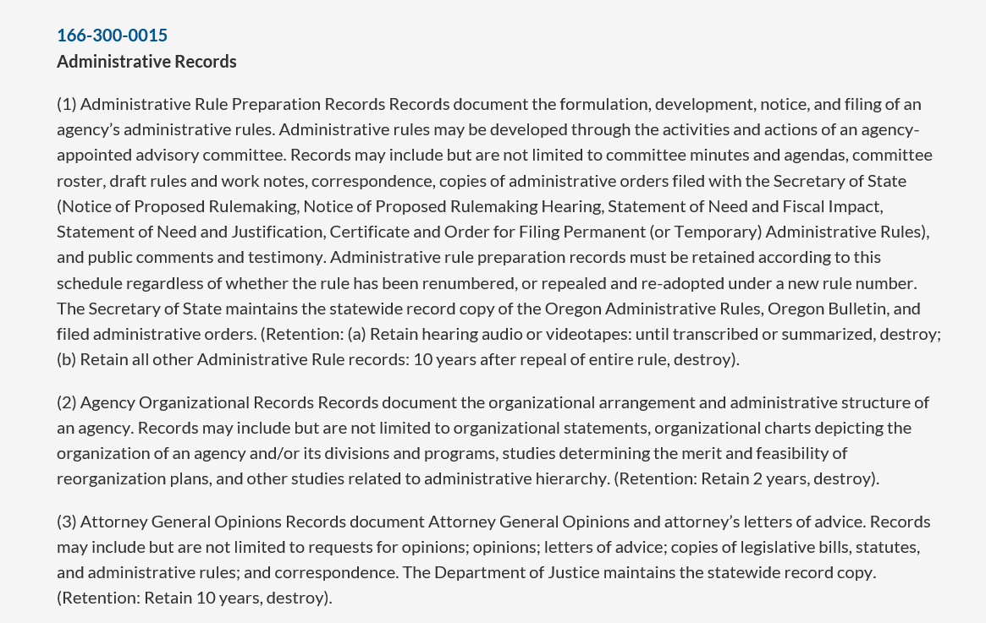

Series Name

Series # (include letter if needed-- e.g. 1(a)

Retention

